Daily Power Station Chart_14-01
Plant_08/07/2025Chart

Plant:odco1 |  |  | Installed Capacity:111.180kWp
Today Yield(kWh):498.300kWh |  | Today Earning:199320.000TND |  | Today Full Load Hours(h):4.48h

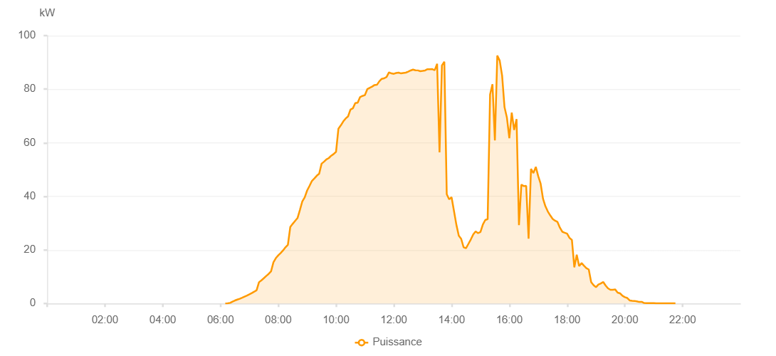

Number | Time | Working State | PV(W) | Instantaneous Radiation(W/㎡)
1 | 06:10:00 | Online | 20.00000 | 0
2 | 06:15:00 | Online | 60.00000 | 0
3 | 06:20:00 | Online | 230.00000 | 1.00000
4 | 06:25:00 | Online | 720.00000 | 4.00000
5 | 06:30:00 | Online | 1120.00000 | 8.00000
6 | 06:35:00 | Online | 1460.00000 | 10.00000
7 | 06:40:00 | Online | 1760.00000 | 14.00000
8 | 06:45:00 | Online | 2160.00000 | 20.00000
9 | 06:50:00 | Online | 2570.00000 | 28.00000
10 | 06:55:00 | Online | 2970.00000 | 36.00000
11 | 07:00:00 | Online | 3430.00000 | 47.00000
12 | 07:05:00 | Online | 3900.00000 | 58.00000
13 | 07:10:00 | Online | 4400.00000 | 70.00000
14 | 07:15:00 | Online | 4960.00000 | 79.00000
15 | 07:20:00 | Online | 7940.00000 | 92.00000
16 | 07:25:00 | Online | 8640.00000 | 104.00000
17 | 07:30:00 | Online | 9430.00000 | 119.00000
18 | 07:35:00 | Online | 10270.00000 | 133.00000
19 | 07:40:00 | Online | 11040.00000 | 146.00000
20 | 07:45:00 | Online | 11990.00000 | 161.00000
21 | 07:50:00 | Online | 15390.00000 | 176.00000
22 | 07:55:00 | Online | 16940.00000 | 193.00000
23 | 08:00:00 | Online | 17960.00000 | 214.00000
24 | 08:05:00 | Online | 18860.00000 | 232.00000
25 | 08:10:00 | Online | 19810.00000 | 247.00000
26 | 08:15:00 | Online | 20980.00000 | 263.00000
27 | 08:20:00 | Online | 21890.00000 | 282.00000
28 | 08:25:00 | Online | 28580.00000 | 298.00000
29 | 08:30:00 | Online | 29740.00000 | 316.00000
30 | 08:35:00 | Online | 30830.00000 | 339.00000
31 | 08:40:00 | Online | 31880.00000 | 353.00000
32 | 08:45:00 | Online | 34930.00000 | 373.00000
33 | 08:50:00 | Online | 38130.00000 | 390.00000
34 | 08:55:00 | Online | 39650.00000 | 406.00000
35 | 09:00:00 | Online | 42190.00000 | 425.00000
36 | 09:05:00 | Online | 43910.00000 | 444.00000
37 | 09:10:00 | Online | 45760.00000 | 460.00000
38 | 09:15:00 | Online | 46660.00000 | 479.00000
39 | 09:20:00 | Online | 47690.00000 | 493.00000
40 | 09:25:00 | Online | 48440.00000 | 511.00000
41 | 09:30:00 | Online | 52190.00000 | 529.00000
42 | 09:35:00 | Online | 52920.00000 | 546.00000
43 | 09:40:00 | Online | 53790.00000 | 561.00000
44 | 09:45:00 | Online | 54290.00000 | 583.00000
45 | 09:50:00 | Online | 55170.00000 | 596.00000
46 | 09:55:00 | Online | 55780.00000 | 611.00000
47 | 10:00:00 | Online | 56610.00000 | 626.00000
48 | 10:05:00 | Online | 65260.00000 | 640.00000
49 | 10:10:00 | Online | 66490.00000 | 653.00000
50 | 10:15:00 | Online | 67950.00000 | 665.00000
51 | 10:20:00 | Online | 69060.00000 | 682.00000
52 | 10:25:00 | Online | 69830.00000 | 697.00000
53 | 10:30:00 | Online | 72390.00000 | 708.00000
54 | 10:35:00 | Online | 72860.00000 | 720.00000
55 | 10:40:00 | Online | 74800.00000 | 731.00000
56 | 10:45:00 | Online | 74930.00000 | 746.00000
57 | 10:50:00 | Online | 77070.00000 | 756.00000
58 | 10:55:00 | Online | 77490.00000 | 765.00000
59 | 11:00:00 | Online | 77790.00000 | 777.00000
60 | 11:05:00 | Online | 80010.00000 | 786.00000
61 | 11:10:00 | Online | 80510.00000 | 794.00000
62 | 11:15:00 | Online | 80960.00000 | 800.00000
63 | 11:20:00 | Online | 81560.00000 | 810.00000
64 | 11:25:00 | Online | 81640.00000 | 820.00000
65 | 11:30:00 | Online | 82970.00000 | 828.00000
66 | 11:35:00 | Online | 83880.00000 | 833.00000
67 | 11:40:00 | Online | 84050.00000 | 840.00000
68 | 11:45:00 | Online | 84550.00000 | 846.00000
69 | 11:50:00 | Online | 86280.00000 | 858.00000
70 | 11:55:00 | Online | 85900.00000 | 864.00000
71 | 12:00:00 | Online | 85730.00000 | 869.00000
72 | 12:05:00 | Online | 86040.00000 | 875.00000
73 | 12:10:00 | Online | 86180.00000 | 879.00000
74 | 12:15:00 | Online | 85890.00000 | 884.00000
75 | 12:20:00 | Online | 86040.00000 | 887.00000
76 | 12:25:00 | Online | 86180.00000 | 886.00000
77 | 12:30:00 | Online | 86550.00000 | 886.00000
78 | 12:35:00 | Online | 86980.00000 | 889.00000
79 | 12:40:00 | Online | 87320.00000 | 892.00000
80 | 12:45:00 | Online | 87040.00000 | 892.00000
81 | 12:50:00 | Online | 87010.00000 | 895.00000
82 | 12:55:00 | Online | 86710.00000 | 894.00000
83 | 13:00:00 | Online | 86850.00000 | 894.00000
84 | 13:05:00 | Online | 87000.00000 | 896.00000
85 | 13:10:00 | Online | 87450.00000 | 893.00000
86 | 13:15:00 | Online | 87430.00000 | 888.00000
87 | 13:20:00 | Online | 87490.00000 | 893.00000
88 | 13:25:00 | Online | 87090.00000 | 885.00000
89 | 13:30:00 | Online | 89470.00000 | 888.00000
90 | 13:35:00 | Online | 56410.00000 | 252.00000
91 | 13:40:00 | Online | 88870.00000 | 933.00000
92 | 13:45:00 | Online | 90220.00000 | 896.00000
93 | 13:50:00 | Online | 40780.00000 | 934.00000
94 | 13:55:00 | Online | 38890.00000 | 329.00000
95 | 14:00:00 | Online | 39680.00000 | 452.00000
96 | 14:05:00 | Online | 34540.00000 | 366.00000
97 | 14:10:00 | Online | 29400.00000 | 319.00000
98 | 14:15:00 | Online | 25330.00000 | 265.00000
99 | 14:20:00 | Online | 24120.00000 | 228.00000
100 | 14:25:00 | Online | 20990.00000 | 205.00000
101 | 14:30:00 | Online | 20640.00000 | 190.00000
102 | 14:35:00 | Online | 22260.00000 | 189.00000
103 | 14:40:00 | Online | 23900.00000 | 207.00000
104 | 14:45:00 | Online | 25760.00000 | 239.00000
105 | 14:50:00 | Online | 26890.00000 | 272.00000
106 | 14:55:00 | Online | 26260.00000 | 285.00000
107 | 15:00:00 | Online | 26660.00000 | 279.00000
108 | 15:05:00 | Online | 29460.00000 | 295.00000
109 | 15:10:00 | Online | 31170.00000 | 327.00000
110 | 15:15:00 | Online | 31480.00000 | 382.00000
111 | 15:20:00 | Online | 78030.00000 | 395.00000
112 | 15:25:00 | Online | 81860.00000 | 713.00000
113 | 15:30:00 | Online | 60880.00000 | 377.00000
114 | 15:35:00 | Online | 92540.00000 | 335.00000
115 | 15:40:00 | Online | 90670.00000 | 796.00000
116 | 15:45:00 | Online | 85090.00000 | 835.00000
117 | 15:50:00 | Online | 73280.00000 | 774.00000
118 | 15:55:00 | Online | 69370.00000 | 660.00000
119 | 16:00:00 | Online | 61720.00000 | 655.00000
120 | 16:05:00 | Online | 71260.00000 | 673.00000
121 | 16:10:00 | Online | 64770.00000 | 683.00000
122 | 16:15:00 | Online | 68820.00000 | 585.00000
123 | 16:20:00 | Online | 29270.00000 | 415.00000
124 | 16:25:00 | Online | 44370.00000 | 264.00000
125 | 16:30:00 | Online | 43820.00000 | 551.00000
126 | 16:35:00 | Online | 43930.00000 | 528.00000
127 | 16:40:00 | Online | 24170.00000 | 520.00000
128 | 16:45:00 | Online | 50250.00000 | 205.00000
129 | 16:50:00 | Online | 48670.00000 | 403.00000
130 | 16:55:00 | Online | 51000.00000 | 466.00000
131 | 17:00:00 | Online | 47550.00000 | 477.00000
132 | 17:05:00 | Online | 44730.00000 | 436.00000
133 | 17:10:00 | Online | 39090.00000 | 382.00000
134 | 17:15:00 | Online | 36260.00000 | 351.00000
135 | 17:20:00 | Online | 34340.00000 | 328.00000
136 | 17:25:00 | Online | 32880.00000 | 311.00000
137 | 17:30:00 | Online | 31580.00000 | 292.00000
138 | 17:35:00 | Online | 30910.00000 | 277.00000
139 | 17:40:00 | Online | 30450.00000 | 262.00000
140 | 17:45:00 | Online | 28330.00000 | 262.00000
141 | 17:50:00 | Online | 26780.00000 | 241.00000
142 | 17:55:00 | Online | 26430.00000 | 233.00000
143 | 18:00:00 | Online | 26100.00000 | 223.00000
144 | 18:05:00 | Online | 24500.00000 | 216.00000
145 | 18:10:00 | Online | 23710.00000 | 186.00000
146 | 18:15:00 | Online | 13500.00000 | 113.00000
147 | 18:20:00 | Online | 18220.00000 | 103.00000
148 | 18:25:00 | Online | 13930.00000 | 171.00000
149 | 18:30:00 | Online | 15110.00000 | 131.00000
150 | 18:35:00 | Online | 14120.00000 | 132.00000
151 | 18:40:00 | Online | 13200.00000 | 114.00000
152 | 18:45:00 | Online | 12680.00000 | 100.00000
153 | 18:50:00 | Online | 7990.00000 | 89.00000
154 | 18:55:00 | Online | 6850.00000 | 72.00000
155 | 19:00:00 | Online | 6080.00000 | 63.00000
156 | 19:05:00 | Online | 7070.00000 | 57.00000
157 | 19:10:00 | Online | 7470.00000 | 65.00000
158 | 19:15:00 | Online | 8050.00000 | 74.00000
159 | 19:20:00 | Online | 6720.00000 | 79.00000
160 | 19:25:00 | Online | 5640.00000 | 55.00000
161 | 19:30:00 | Online | 5120.00000 | 48.00000
162 | 19:35:00 | Online | 5140.00000 | 45.00000
163 | 19:40:00 | Online | 5220.00000 | 40.00000
164 | 19:45:00 | Online | 4070.00000 | 36.00000
165 | 19:50:00 | Online | 3790.00000 | 33.00000
166 | 19:55:00 | Online | 2900.00000 | 28.00000
167 | 20:00:00 | Online | 2370.00000 | 23.00000
168 | 20:05:00 | Online | 2050.00000 | 20.00000
169 | 20:10:00 | Online | 1150.00000 | 16.00000
170 | 20:15:00 | Online | 1010.00000 | 9.00000
171 | 20:20:00 | Online | 960.00000 | 8.00000
172 | 20:25:00 | Online | 810.00000 | 8.00000
173 | 20:30:00 | Online | 570.00000 | 6.00000
174 | 20:35:00 | Online | 620.00000 | 4.00000
175 | 20:40:00 | Online | 180.00000 | 2.00000
176 | 20:45:00 | Online | 140.00000 | 1.00000
177 | 20:50:00 | Online | 140.00000 | 1.00000
178 | 20:55:00 | Online | 140.00000 | 0
179 | 21:00:00 | Online | 120.00000 | 0
180 | 21:05:00 | Online | 40.00000 | 0
181 | 21:10:00 | Online | 40.00000 | 0
182 | 21:15:00 | Online | 40.00000 | 0
183 | 21:20:00 | Online | 40.00000 | 0
184 | 21:25:00 | Online | 40.00000 | 0
185 | 21:30:00 | Online | 40.00000 | 0
186 | 21:35:00 | Online | 50.00000 | 0
187 | 21:40:00 | Online | 50.00000 | 0
188 | 21:45:00 | Online | 50.00000 | 0
189 | 22:05:00 | Online | 0.00001 | 0.00001

